Bolt calculation
$$δ_{b}$$
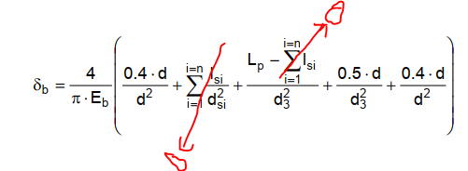
$$δ_{p}$$
 |  | Calculated |  | From cobra |  | Bolt/screw data
Tensile resilience of screw /bolt |  | 3.0700036657E-06 |  | 3.05E-06 | mm/N | Bolt head height | Hh | 5.15 | mm
Compressive resilience of parts |  | 5.63E-07 |  | 5.78E-07 | mm/N | Young's modulus of bolt | Eb | 210000 | MPa
load factor | λ | 0.08 |  | 0.08 |  | Bearing dia of bolt | dw | 11.63 | mm
 |  |  |  |  |  | Dia of bolt | d | 8 | mm | d1 (mm) | 6.65 | d2 (mm) | 7.19 | d3 (mm) | 6.47
Recmin= (Re+Rm)/2
Transverse force | Fot | 5860 |  | 5860 | N | Pitch | p | 1.25 | mm
Tensile force | Foa | 2499 |  | 2493 | N | Yield limit of bolt | Re | 900 | MPa | Recmin | 950 | MPa
τ = 0.577*Re
Compressive force | Fob | 210 |  | 216 | N | Ultimate limit of bolt | Rm | 1000 | MPa | τsmin | 519 | MPa
 |  |  |  |  |  | Length of bolt | L | 30 | mm
Minumum functional preload | Fof | 8359 |  | 8353 | N | Shear area of bolt | As | 36.6 | mm^2
ds = (d2+d3)/2
 | ΔLe | 0.003920675816 |  |  |  | Thread shear area of fastener | Ass | 94.0 | mm^2
Loss of preload | ΔFz | 1079 |  | 1080 | N | Shear dia of bolt | ds | 6.83 | mm

Preload Range |  |  |  |  |  | Clamped parts
Minimum required preload | F0min | 9438 |  | 9434 | N |  | Thickness(Lp) | Inner dia (d) | Effective outer dia(D) | Material Name | Yield | Ultimate | Recmin | E
Max allowable preload | Fomax | 24026 |  | 24362 | N | Part1 | 1.4 | 8.56 | 17.65 | Stainless steel | 0 | 0 | 0 | 199000 | Manual entries
 |  |  |  |  |  | Part2 | 7 | 9 | 12 | Steel | 0 | 0 | 0 | 210000
Tightening calculation |  |  |  |  |  | Part3 | 3 | 16.16 | 15 | Steel | 0 | 0 | 0 | 210000
Min achieved preload | F0(-) | 10442 |  | 10443 |  | Part4 | 2 | 11 | 13 | Stainless steel | 0 | 0 | 0 | 200000
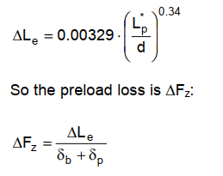
Nominal achieved preload | F0 | 15356 |  | 16343 |  | Part5 | 0 |  |  |  | 0 | 0 | 0 | 1
Fob = λ * Famax
Max achieved preload | F0(+) | 22378 |  | 24362 |  | Part6 | 0 |  |  |  | 0 | 0 | 0 | 1
Fof = Fot + Foa
 | alpha | 2.14 |  | 2.33 |  | Part7 | 0 |  |  |  | 0 | 0 | 0 | 1
 |  |  |  |  |  | Part8 | 0 |  |  |  | 0 | 0 | 0 | 1
Elastic reserve of the screw |  |  |  |  |  | Part9 | 0 |  |  |  | 0 | 0 | 0 | 1
Fomin = Fof + ΔFz
Mean elongation | Δlb | 47 | µm | 50 |  | Part10 | 0 |  |  |  | 0 | 0 | 0 | 1
 |  |  |  |  |  | Clamp length (Lp) | 13.4 | mm
Maximum stress in screw due to preload | σPbmax | 611 | Mpa | 686 |  | dheq | 10.86 | mm
v = γE ; µG=µ+
Max stress in screw due to external tensile load | σLbmax | 6 | MPa | 6 |  | X | 0.63
Maximum total tensile stress in bolt | σTbmax | 617 | MPa | 692 |  | seq | 114.86
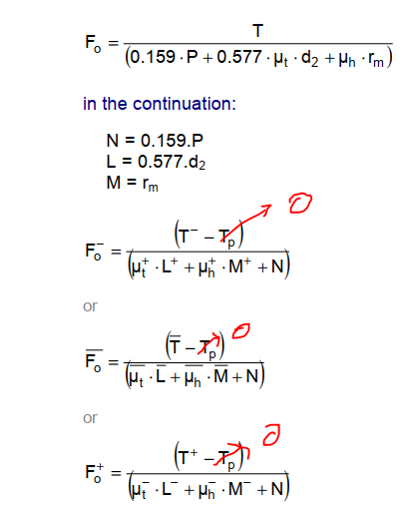
Maximum torsional stress in screw due to tightening | τbmax | 270 | MPa | 281 |  |  |  |  |  |  |  |  |  |  |  | Axial force
rm = dw/2
Maximum equivalent stress in screw | σbequmax | 774 | MPa | 846 |  | Threaded part |  |  |  |  |  |  |  |  |  | Shear force
 |  |  |  |  |  | Nut Height | Hn | 6 | mm
Effective thread length of engagement | Lteff | 6 | mm |  |  | Bearing dia/min distance of flat faces | Dtmin | 22 | mm
Minimum length of thread engagement | Ltmin |  | mm |  |  |  | Dtmin/d | 2.75 | mm
Recommended length of thread engagement | Ltrec |  | mm |  |  |  | Re | 500 | MPa | Recmin | 525 | MPa
 |  |  |  |  |  |  | Rm | 550 | MPa | τnmin | 289 | MPa
Maximum tensile yield strength of screw | Fes | 32948 | N | 40243 |  | Thead shear area of nut | Asn | 109.6 | mm^2
Shear stripping load on fastener | FSs | 43772 | N | 44321
Shear stripping load on tapped part | FSn | 31744 | N | 31907 |  | External data
Minimum failure load | Ffmin | 31744 | N | 31907 |  | Axial force | Fa | 2709 | N |  |  | Manual entries
 |  |  |  |  |  | Shear force | Ft | 1172 | N
Leff = Hn or thickness of threaded part
 |  |  |  |  |  | Load introduction factor | β | 0.5
 |  |  |  |  |  | Co-efficient of friction (sliding faces) | µmin | 0.2
 |  |  |  |  |  | Applied torque | T | 26 | Nm
 |  |  |  |  |  | Tightening torque accuracy | ΔT/T | 20%
 |  |  |  |  |  |  |  | µ | Δµ | µ+ | µ-
 |  |  |  |  |  | Thread coefficient of friction | µt ± Δµt | 0.15 | 0.03 | 0.18 | 0.12
deq = ds
 |  |  |  |  |  | Friction co-efficient under the driven element | µb ± Δµb | 0.15 | 0.03 | 0.18 | 0.12
 |  |  |  |  |  | Equivalent stress tightening ratio | γE | 90% | Re

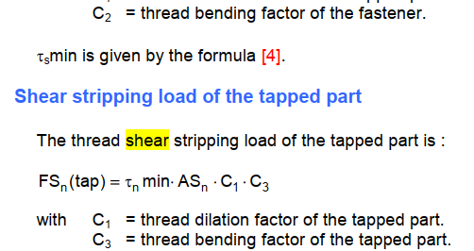
 |  |  |  |  |  | Other require parameters
 |  |  |  |  |  |  | C1 | 1
 |  |  |  |  |  |  | C2 | 0.897
 |  |  |  |  |  |  | C3 | 1.0036717649
 |  |  |  |  |  |  | Rτ | 0.66817564068

